Activitate Laborator4 Ender
S [kVA] | cos ϕ | P [kW] | Q [kvar] | Tan ϕ | Qcomp [kvar] | Qcomp efectiv [kvar] | Consumator | Amplasare | cos ϕ | Tan ϕ
850 | 0.89 | 756.50 | 387.57 | 0.51231519619 | 21.18 | 20 | CU6 | C1 | 0.9 | 0.4843
450 | 0.90 | 405.00 | 196.15 | 0.48432210484 | 0.00 | 0 | CU5 | C2
275 | 0.86 | 236.50 | 140.33 | 0.59336515452 | 25.79 | 25 | CU4 | C3
650 | 0.87 | 565.50 | 320.48 | 0.56672611658 | 46.60 | 45 | CU3 | C4
725 | 0.89 | 645.25 | 330.57 | 0.51231519619 | 18.06 | 20 | CU2 | C5
525 | 0.90 | 472.50 | 228.84 | 0.48432210484 | 0.00 | 0 | CU1 | C6
2375 | 0.77 | 1828.75 | 1515.35 | 0.82862842291 | 629.65 | 630 | CI4 | C7
2150 | 0.72 | 1548.00 | 1492.04 | 0.96385286516 | 742.31 | 740 | CI3 | C8
2400 | 0.75 | 1800.00 | 1587.45 | 0.88191710369 | 715.67 | 715 | CI2 | C9
2550 | 0.80 | 2040.00 | 1530.00 | 0.75 | 541.98 | 540 | CI1 | C10
2.00E+04 | 0.88 | 17600.00 | 9499.47 | 0.53974282214 | 975.40 | 975 | C0 | ST – 20 kV

Activitate Laborator 4 (mai jos)

Inainte de compensare |  |  |  |  | Dupa compensare

Nr. Crt | Nod | U[kV] | u[%] |  | Nr.Crt | Nod | U[kV] | u[%] |  | S [kVA] | cos ϕ | P [kW] | Q [kvar] | Tan ϕ | Qcomp [kvar] | Qcomp efectiv [kvar] | Consumator | Amplasare | cos ϕ | Tan ϕ
1 | SEN | 110 | 100 |  | 1 | SEN | 110 | 100 |  | 850 | 0.89 | 756.50 | 387.57 | 0.51231519619 | 387.57 | 20 | CU6 | C1 | 0.9 | 0.4843
2 | ST_HV | 106.192 | 96.54 |  | 2 | ST_HV | 106.544 | 96.86 |  | 450 | 0.90 | 405.00 | 196.15 | 0.48432210484 | 196.15 | 0 | CU5 | C2
3 | ST_MT_1 | 19.686 | 98.43 |  | 3 | ST_MT_1 | 19.826 | 99.13 |  | 275 | 0.86 | 236.50 | 140.33 | 0.59336515452 | 140.33 | 25 | CU4 | C3
4 | ST_MT_2 | 20.733 | 103.67 |  | 4 | ST_MT_2 | 21.018 | 105.09 |  | 650 | 0.87 | 565.50 | 320.48 | 0.56672611658 | 320.48 | 45 | CU3 | C4
5 | C1 | 19.194 | 95.97 |  | 5 | C1 | 19.368 | 96.84 |  | 725 | 0.89 | 645.25 | 330.57 | 0.51231519619 | 330.57 | 20 | CU2 | C5
6 | C2 | 18.846 | 94.23 |  | 6 | C2 | 19.047 | 95.23 |  | 525 | 0.90 | 472.50 | 228.84 | 0.48432210484 | 228.84 | 0 | CU1 | C6
7 | C3 | 18.35 | 91.75 |  | 7 | C3 | 18.592 | 92.96 |  | 2375 | 0.77 | 1828.75 | 1515.35 | 0.82862842291 | 1515.35 | 630 | CI4 | C7
8 | C4 | 18.116 | 90.58 |  | 8 | C4 | 18.379 | 91.9 |  | 2150 | 0.72 | 1548.00 | 1492.04 | 0.96385286516 | 1492.04 | 740 | CI3 | C8
9 | C5 | 17.78 | 88.9 |  | 9 | C5 | 18.078 | 90.39 |  | 2400 | 0.75 | 1800.00 | 1587.45 | 0.88191710369 | 1587.45 | 715 | CI2 | C9
10 | C6 | 17.642 | 88.21 |  | 10 | C6 | 17.957 | 89.79 |  | 2550 | 0.80 | 2040.00 | 1530.00 | 0.75 | 1530.00 | 540 | CI1 | C10
11 | C7 | 17.434 | 87.17 |  | 11 | C7 | 17.78 | 88.9 |  | 2.00E+04 | 0.88 | 17600.00 | 9499.47 | 0.53974282214 | 9499.47 | 975 | C0 | ST – 20 kV
12 | C8 | 19.597 | 97.99 |  | 12 | C8 | 20.126 | 100.63
13 | C9 | 19.824 | 99.12 |  | 13 | C9 | 20.299 | 101.5
14 | C10 | 20.239 | 101.2 |  | 14 | C10 | 20.622 | 103.11

u[%] Necompensat vs Compensat
 |  | Necompensat |  | Compensat
Nr. Crt | Nod | U[kV] | u[%] | U[kV] | u[%] |  |  |  |  |  |  | Nod | Element | Tip | P [MW] | Q [MVAr]
1 | SEN | 110 | 100 | 110 | 100 |  |  |  |  |  |  | C1 | CU6 | Load | 0.756 | 0.388
2 | ST_HV | 106.192 | 96.54 | 106.544 | 96.86 |  |  |  |  |  |  | C2 | CU5 | Load | 0.405 | 0.196
3 | ST_MT_1 | 19.686 | 98.43 | 19.826 | 99.13 |  |  |  |  |  |  | C3 | CU4 | Load | 0.236 | 0.14
4 | ST_MT_2 | 20.733 | 103.67 | 21.018 | 105.09 |  |  |  |  |  |  | C4 | CU3 | Load | 0.566 | 0.32
5 | C1 | 19.194 | 95.97 | 19.368 | 96.84 |  |  |  |  |  |  | C5 | CU2 | Load | 0.645 | 0.331
6 | C2 | 18.846 | 94.23 | 19.047 | 95.23 |  |  |  |  |  |  | C6 | CU1 | Load | 0.472 | 0.229
7 | C3 | 18.35 | 91.75 | 18.592 | 92.96 |  |  |  |  |  |  | C7 | CI4 | Load | 1.829 | 1.515
8 | C4 | 18.116 | 90.58 | 18.379 | 91.9 |  |  |  |  |  |  | C8 | CI3 | Load | 1.548 | 1.492
9 | C5 | 17.78 | 88.9 | 18.078 | 90.39 |  |  |  |  |  |  | C9 | CI2 | Load | 1.8 | 1.587
10 | C6 | 17.642 | 88.21 | 17.957 | 89.79 |  |  |  |  |  |  | C10 | CI1 | Load | 2.04 | 1.53
11 | C7 | 17.434 | 87.17 | 17.78 | 88.9 |  |  |  |  |  |  | ST_MT_1 | C0 | Load | 17.6 | 9.5
12 | C8 | 19.597 | 97.99 | 20.126 | 100.63
13 | C9 | 19.824 | 99.12 | 20.299 | 101.5
14 | C10 | 20.239 | 101.2 | 20.622 | 103.11

 |  |  |  |  |  |  |  |  |  |  |  | Linia deconectata (pentru caz compensat)
 |  |  |  |  |  |  |  |  |  |  |  |  | L1-2 | L2-3 | L3-4 | L4-5 | L5-6 | L6-7 | L7-8 | L8-9 | L9-10
 |  |  |  |  |  |  |  |  |  |  |  | ΔP [kW] | 1677.879 | 1512.331 | 1426.12 | 1262.512 | 1138.326 | 1083.651 | 1160.914 | 1730.452 | 4709.271
 |  |  |  |  |  |  |  |  |  |  |  | Obs | L10, L9 Suprainc | L10 Suprainc | L10 Suprainc | L10 Suprainc | - | - | - | - | L1,L2,L3,L4,L5,L6,L7 Suprainc

NECOMPENSAT-ETAPA1 |  | Pierderi | active | 1366.417 | kW |  |  |  |  |  |  | COMPENSAT-ETAPA2 |  |  | Pierderi | active | 1160.914 | kW
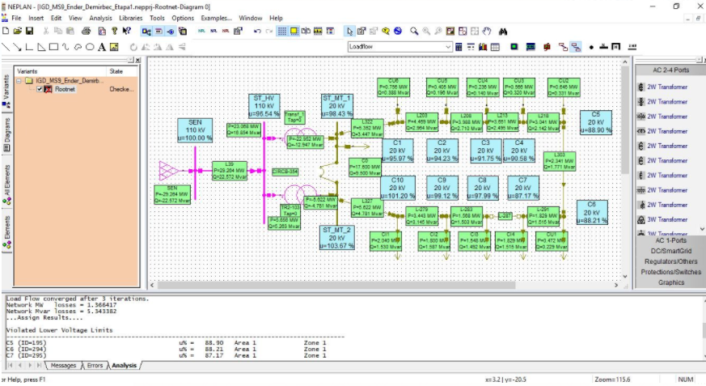
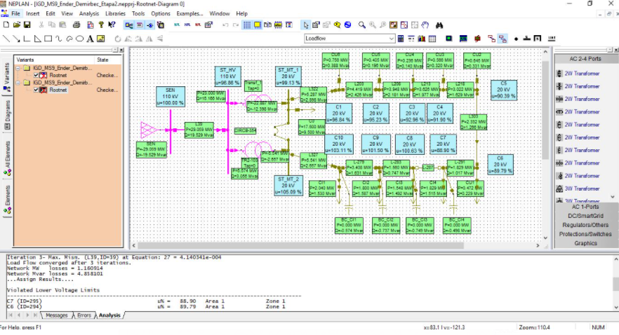

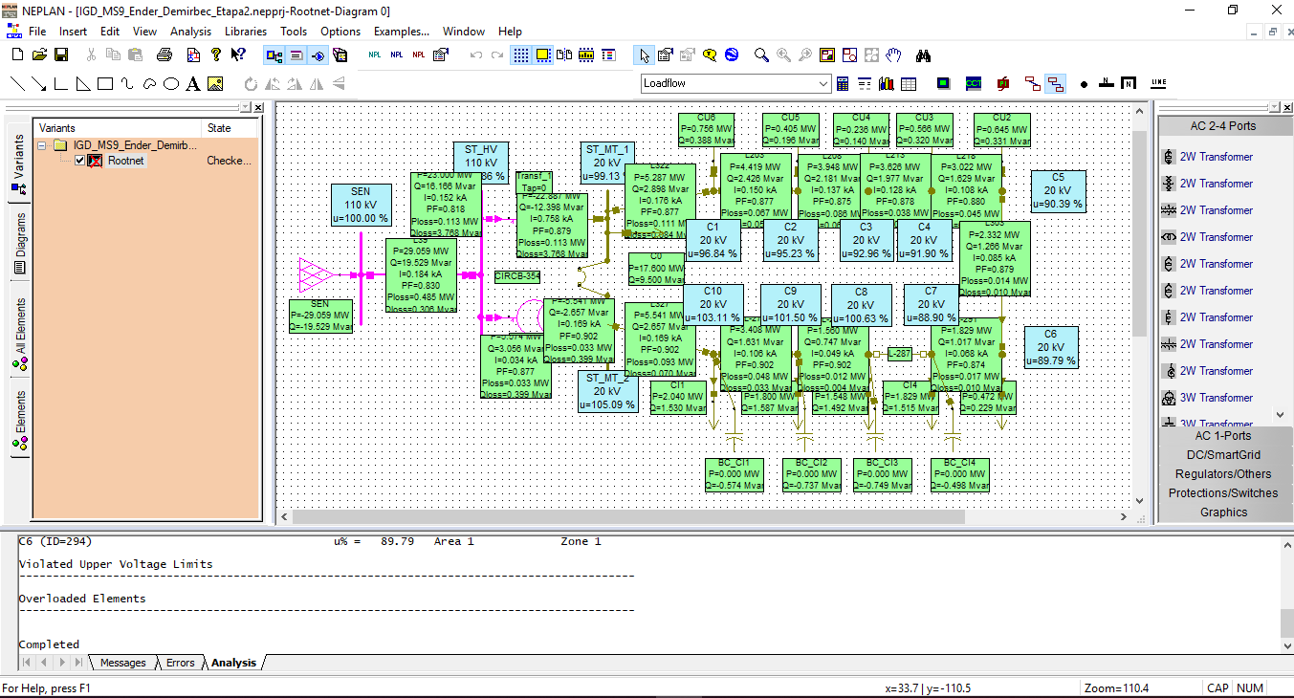

 | Nod | Element | Tip | P | Q
322 | C1 | L322 | Line | -5.226 | -3.352
126 | C1 | CU6 | Load | 0.756 | 0.388
203 | C1 | L203 | Line | 4.469 | 2.964
279 | C10 | L-279 | Line | 3.443 | 3.145
327 | C10 | L327 | Line | -5.483 | -4.675
269 | C10 | CI1 | Load | 2.04 | 1.53
138 | C2 | CU5 | Load | 0.405 | 0.196
203 | C2 | L203 | Line | -4.393 | -2.906
208 | C2 | L208 | Line | 3.988 | 2.71
149 | C3 | CU4 | Load | 0.236 | 0.14
213 | C3 | L213 | Line | 3.651 | 2.495
208 | C3 | L208 | Line | -3.887 | -2.636
160 | C4 | CU3 | Load | 0.566 | 0.32
218 | C4 | L218 | Line | 3.041 | 2.142
213 | C4 | L213 | Line | -3.607 | -2.462
303 | C5 | L303 | Line | 2.341 | 1.771
193 | C5 | CU2 | Load | 0.645 | 0.331
218 | C5 | L218 | Line | -2.987 | -2.102
277 | C6 | CU1 | Load | 0.472 | 0.229
291 | C6 | L-291 | Line | 1.851 | 1.53
303 | C6 | L303 | Line | -2.324 | -1.759
275 | C7 | CI4 | Load | 1.829 | 1.515
291 | C7 | L-291 | Line | -1.829 | -1.515
287 | C7 | L-287 | Line | 0 | 0
283 | C8 | L-283 | Line | -1.548 | -1.492
273 | C8 | CI3 | Load | 1.548 | 1.492
287 | C8 | L-287 | Line | 0 | 0
283 | C9 | L-283 | Line | 1.568 | 1.503
279 | C9 | L-279 | Line | -3.368 | -3.09
271 | C9 | CI2 | Load | 1.8 | 1.587
316 | SEN | SEN | Network Feeder | -29.264 | -22.572
39 | SEN | L39 | Line | 29.264 | 22.572
39 | ST_HV | L39 | Line | -28.724 | -22.117
84 | ST_HV | Transf_1 | 2W Transformer | 23.068 | 16.854
103 | ST_HV | TR2-103 | 2W Transformer | 5.656 | 5.263
322 | ST_MT_1 | L322 | Line | 5.352 | 3.447
344 | ST_MT_1 | C0 | Load | 17.6 | 9.5
354 | ST_MT_1 | CIRCB-354 | Circuit-Breaker | 0 | 0
84 | ST_MT_1 | Transf_1 | 2W Transformer | -22.952 | -12.947
327 | ST_MT_2 | L327 | Line | 5.622 | 4.781
354 | ST_MT_2 | CIRCB-354 | Circuit-Breaker | 0 | 0
103 | ST_MT_2 | TR2-103 | 2W Transformer | -5.622 | -4.781

